Sheet1
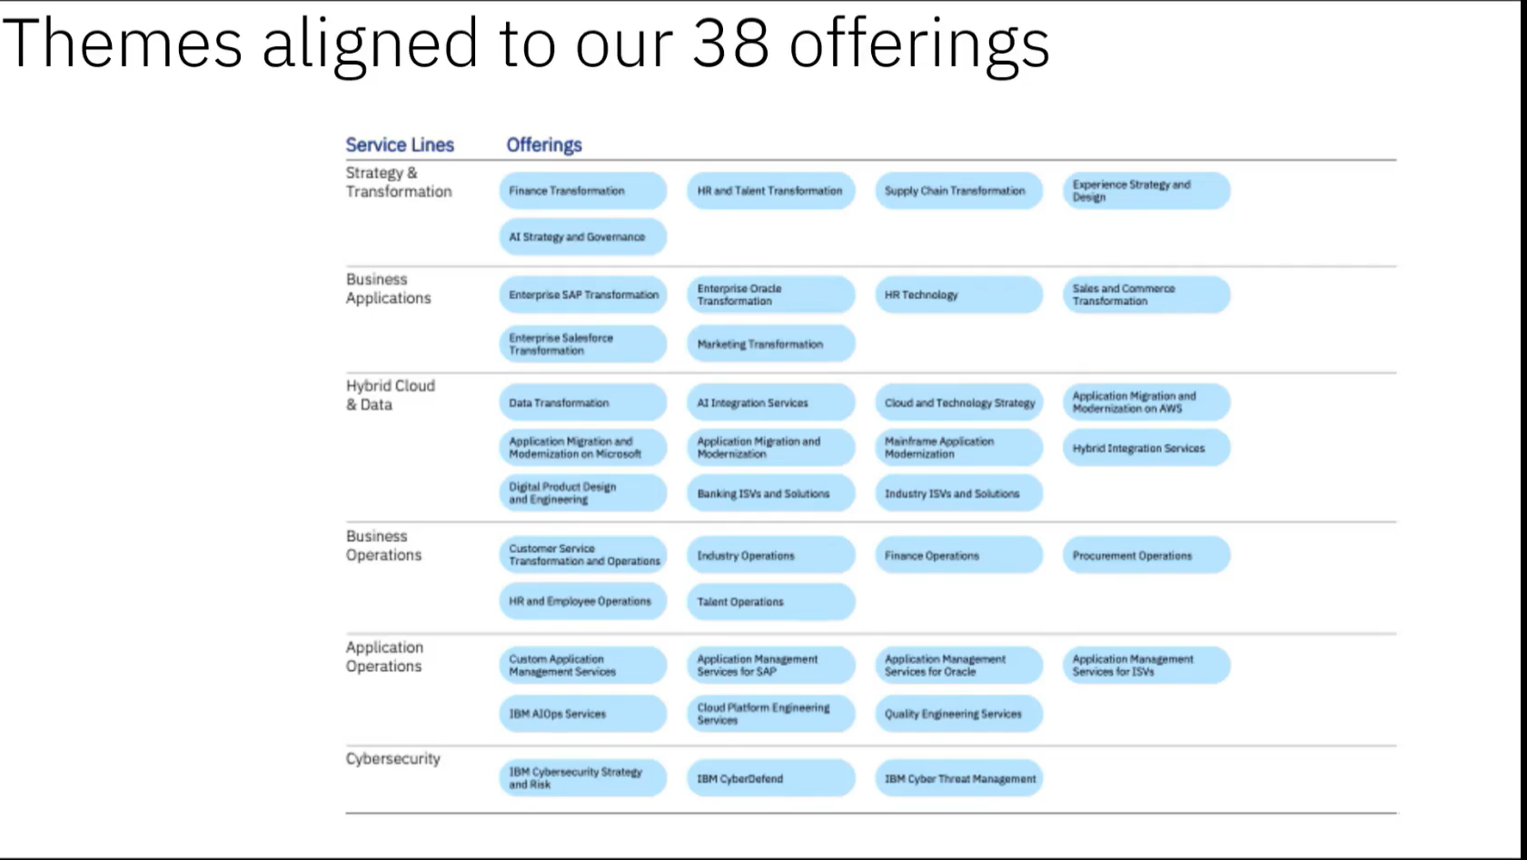

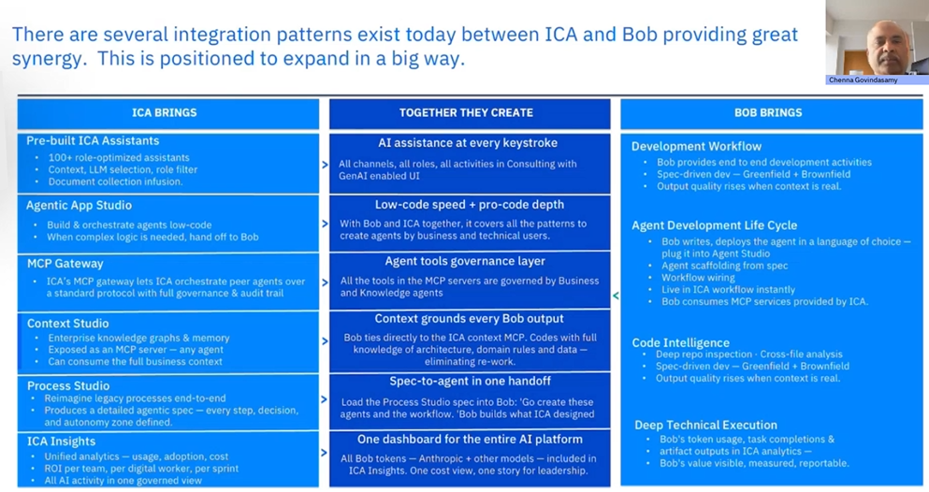

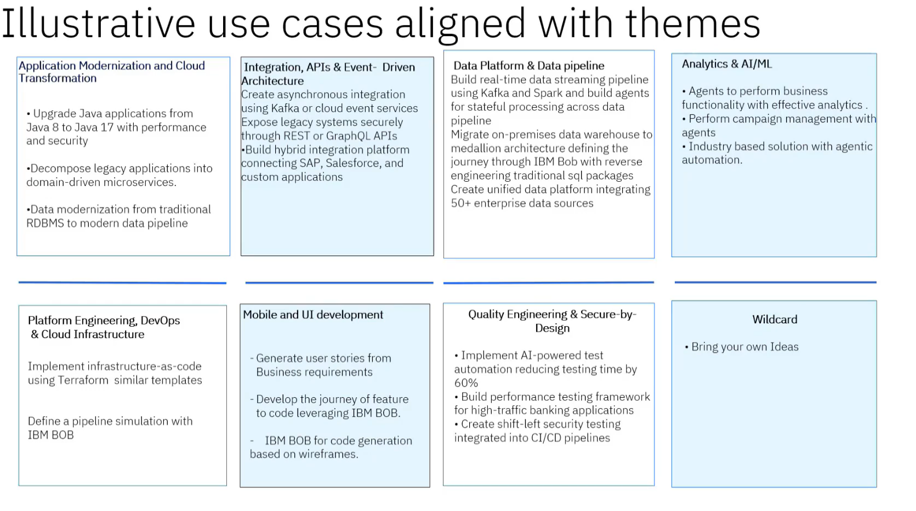

BOB
How BOB works
1) BOB is intent-aware: It understand what someone is typing to accomplish, not just the immediate prompt or command. ALIGNED TO OUTCOME NOT PROMPTS
2) BOB operates with system-level context: Instead of reasoning about a single file or function, it maintains repository-wide awareness and understands dependencies. DECISIONS GROUNDED IN THE WHOLE SYSTEM
3) BOB support multi-step execution: Rather than generating single suggestion, it can plan, execute, validate and iterate in coordinated changes- while keeping people in control through explanations, review points and approvals. COMPLEX WORK SAFETY CARRIED THROUGH

How client can get the fastest results for their organization
1) Legacy modernization and code migration: Accelerate modernization of JAVA, Cobol, PRG and enterprise systems while preserving business logic
2) Secure development and compliance workflows: Shift security to the earliest possible phase of the software development lifecycle with embeded scans, approvals and auditability.
3) Knowledge transfer, onboarding and collaboration: Preserve institutional knowledge and accelerate onboarding through AI-generated documentation and context
4) Complex changes across enterprise software systems: Safely coordinates multi-file changes across complex repositories.
5) AI application integration and other AI initiatives: Lower the barrier to building, integrating and operating AI-powered functionality.
6) Fast prototyping of ideas and technical PoCs: Lower the barrier to creating prototypes and proff of concept for new ideas.

Benefits
Faster delivery
Fewer challenges
High confidence in results

How non-technical IBMer can use BOB to improve productivity in their day-to-day work
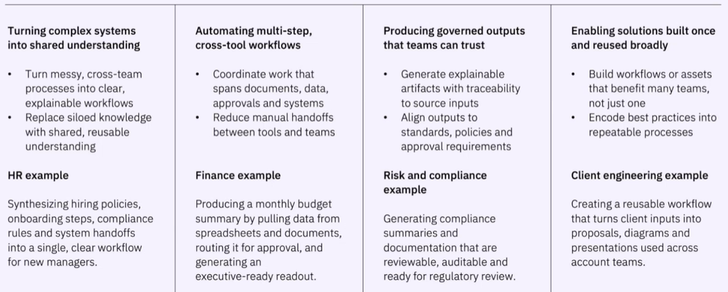

Getting started with IBM BOB

Learn BOB

ICA(IBM Consulting Advantage): Fuctionaly rich
IEA(IBM Enterprise Advantage)
+
BOB (AI powered development platform): Context to code and Code to Certify: Technically Deep
https://w3.ibm.com/services/lighthouse/videos/146795
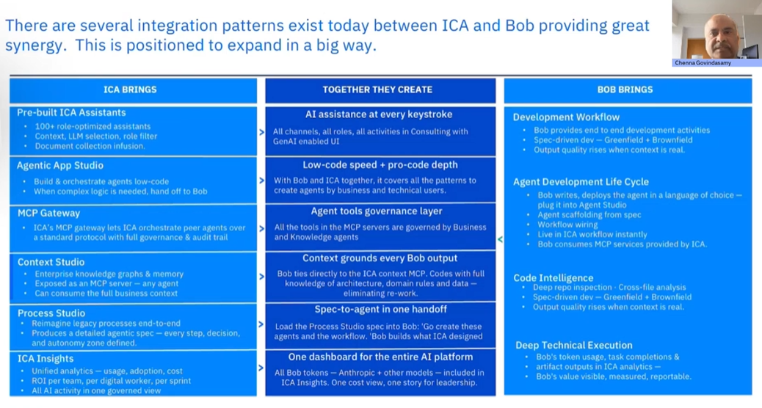

BOB- Level3
AI Maturity Curve: Assit-->Delegate-->Tailor-->Scale and Extend
Literate Coding is a prime example of where the control that the human in the loop retains with IBM Bob — as part of the early Assist stage along the AI Maturity Curve — becomes tangible and truly valuable. IBM Bob never silently rewrites your files or codebase. Instead, it presents every change in a diff view that shows the added code, the removed code, and enough surrounding context to understand the scope of what is changing. You review, then you decide on whether to implement the suggestion or disregard it. Nothing is committed until you say so.

